pivot table
Sum of TotalAmount | Count of OrderID | Average of Quantity | Avg order value
558362.19 | 258 | 3.480620155 | 2164.1945349
13249194 | 4976 | 4 | 2164 |  |  |  |  | Row Labels | Sum of TotalAmount
 |  |  |  |  |  |  |  | Female | 5511730.33
Regions | Sum of TotalAmount |  |  | Payment | Sum of TotalAmount |  |  | Male | 3192449.1
North | 148606.94 |  |  | Card | 1065562.03 |  |  | na | 1962485.05
Central | 109894.12 |  |  | Cash | 3058502.81 |  |  | Non Binary | 2582165.42
West | 101507.79 |  |  | Cashier | 1208725.9 |  |  | (blank)
East | 100351.13 |  |  | Net Banking | 961085.36 |  |  | Grand Total | 13248829.9
South | 98002.21 |  |  | Online | 5517939.79
Grand Total | 558362.19 |  |  | UPI | 1437014.01
 | Total
Female | 5511730.33
Male | 3192449.1
na | 1962485.05
Non Binary | 2582165.42
(blank)
 |  |  |  | Grand Total | 13248829.9

Category | Sum of TotalAmount |  |  | Cities | Sum of TotalAmount
Bread | 42962.22 |  |  | Delhi | 75115.91
Main | 72496.07 |  |  | Lucknow | 68085.13
Wrap | 76775.59 |  |  | Chennai | 62325.3
Pizza | 109257.08 |  |  | Pune | 56158.01
Burger | 123673.02 |  |  | Nagpur | 50123.44
Sides | 133198.21 |  |  | Mumbai | 49529.92
Grand Total | 558362.19 |  |  | Ahmedabad | 48378.22
 |  |  |  | Hyderabad | 42646.07
 |  |  |  | Kolkata | 38494.81
 |  |  |  | Bengaluru | 37638.29
 |  |  |  | Jaipur | 29867.09
 |  |  |  | Grand Total | 558362.19

Row Labels | Sum of TotalAmount
Jan | 1138521.79 |  |  |  | Sum of TotalAmount | Count of OrderID | Average of Quantity
Feb | 824763.55 |  |  |  | 13248829.9 | 4975 | 4.1953768844
Mar | 1097729.19 |  |  |  |  |  | 4.1953768844
Apr | 990115.61
May | 1104731.71
Jun | 1421499.11
Jul | 1056580.04
Aug | 1100047.13
Sep | 997565.25
Oct | 1709264.93
Nov | 931570.45
Dec | 876441.14
Grand Total | 13248829.9

dashboard
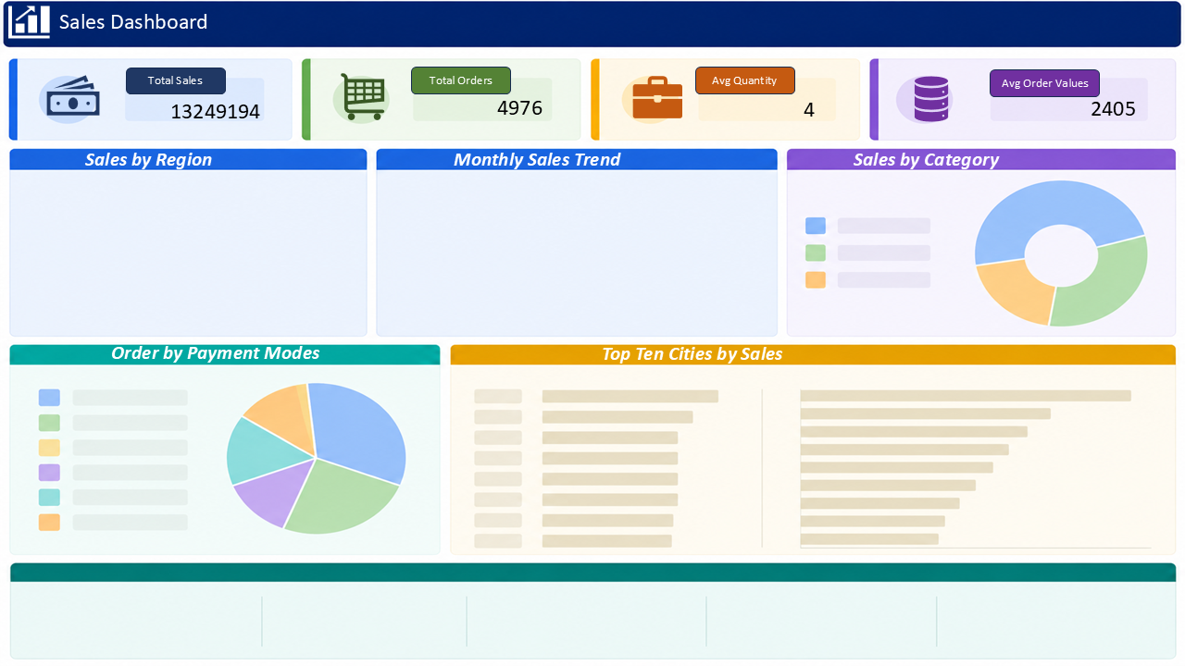

 | Total
Bread | 42962.22
Main | 72496.07
Wrap | 76775.59
Pizza | 109257.08
Burger | 123673.02
Sides | 133198.21
Payment | Sum of TotalAmount
Card | 1065562.03
Cash | 3058502.81
 | Total
North | 148606.94
Central | 109894.12
West | 101507.79
East | 100351.13
South | 98002.21
 | Total
Jan | 1138521.79
Feb | 824763.55
Mar | 1097729.19
Apr | 990115.61
May | 1104731.71
Jun | 1421499.11
Jul | 1056580.04
Aug | 1100047.13
Sep | 997565.25
Oct | 1709264.93
Nov | 931570.45
Dec | 876441.14
Cashier | 1208725.9
Net Banking | 961085.36
Online | 5517939.79
UPI | 1437014.01
Grand Total | 13248829.9

 | Total
Delhi | 75115.91
Lucknow | 68085.13
Chennai | 62325.3
Pune | 56158.01
Nagpur | 50123.44
Mumbai | 49529.92
Ahmedabad | 48378.22
Hyderabad | 42646.07
Kolkata | 38494.81
Bengaluru | 37638.29
Jaipur | 29867.09
 | Total
Card | 1065562.03
Cash | 3058502.81
Cashier | 1208725.9
Net Banking | 961085.36
Online | 5517939.79
UPI | 1437014.01

